Sheet1
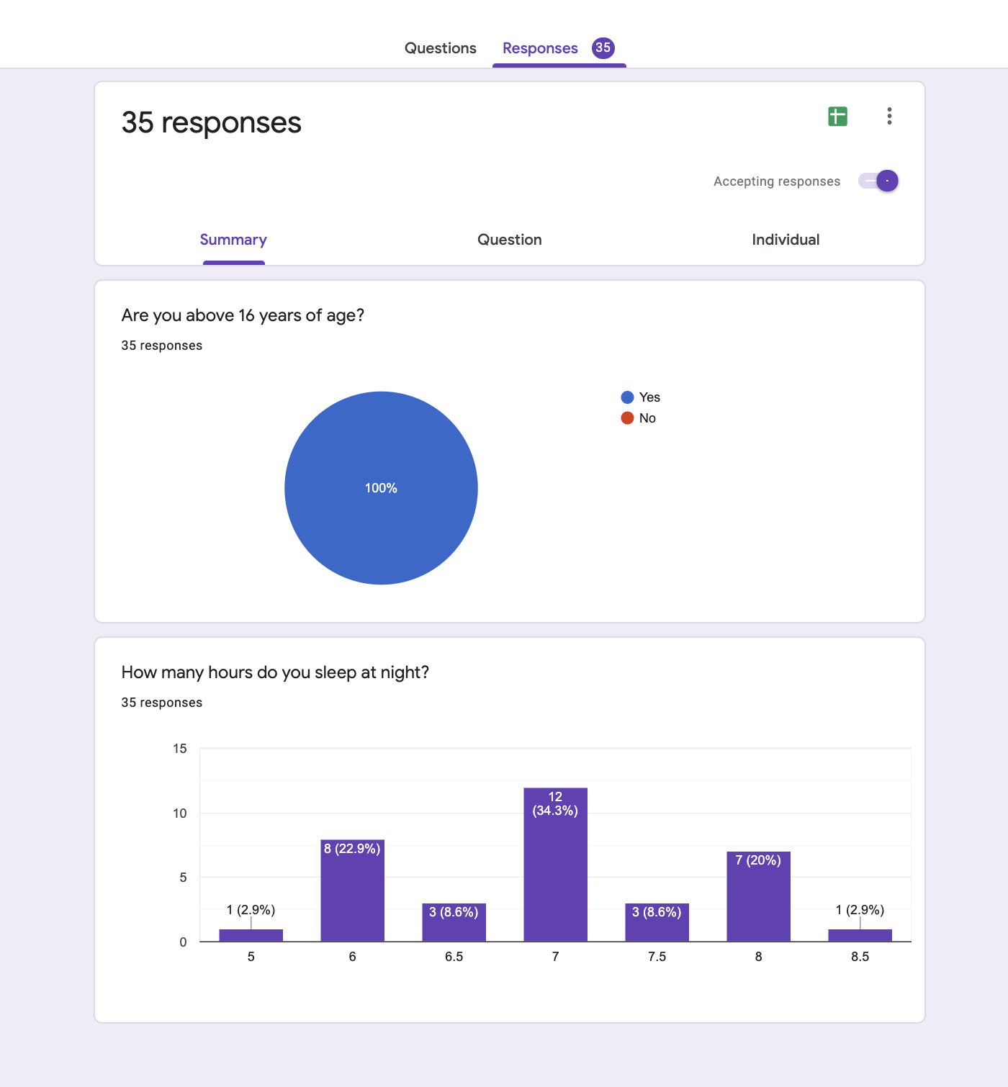
Are you above 16 years of age? | How many hours do you sleep at night? | Descriptive Analysis |  | External source | https://www.helpguide.org/articles/sleep/sleep-needs-get-the-sleep-you-need.htm
Yes | 7
Yes | 8 | Mean | 6.9571428571
Yes | 6 | Standard Error | 0.13807108839
Yes | 6 | Median | 7
Yes | 7 | Mode | 7
Yes | 8 | Standard Deviation | 0.81683957468
Yes | 7.5 | Sample Variance | 0.66722689076
Yes | 8 | Kurtosis | -0.4680722133
Yes | 6.5 | Skewness | -0.15485101349
Yes | 6 | Range | 3.5
Yes | 6.5 | Minimum | 5
Yes | 7 | Maximum | 8.5
Yes | 8 | Sum | 243.5
Yes | 7 | Count | 35
Yes | 5 | Largest(1) | 8.5
Yes | 6 | Smallest(1) | 5
Yes | 8.5 | Confidence Level(95.0%) | 0.28059421128
Yes | 7
Yes | 8
Yes | 7.5 | Screenshots of survey
Yes | 7
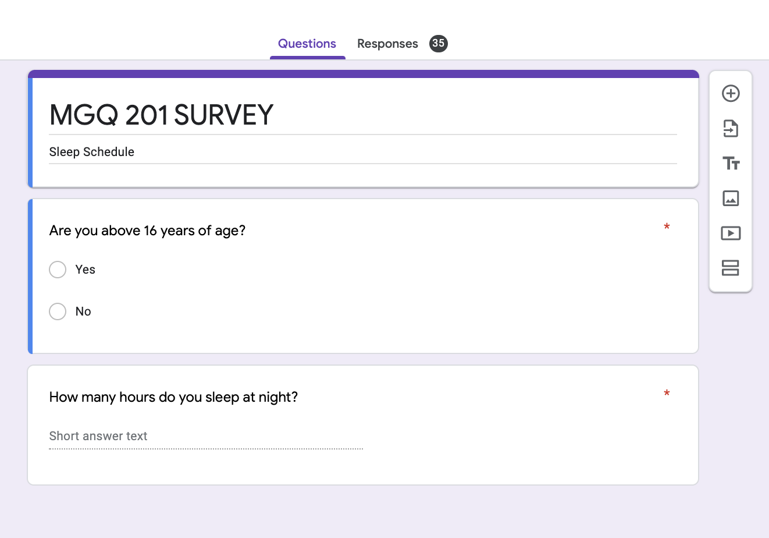
Yes | 7.5
Yes | 8
Yes | 6
Yes | 8
Yes | 6
Yes | 6
Yes | 7
Yes | 7
Yes | 7
Yes | 7
Yes | 7
Yes | 6.5
Yes | 7
Yes | 6

